Domestic Documentation
Domestic DST Workflow Documentation
As of 2025-09-26

Process Overview
 | Overview | This workflow ingests, processes, and standardizes data from Snowflake, GAM Reports, and SAP/EDP in order to provide figures for revenue allocations to various tax jurisdictions. To do this, the workflow reads data from database connections, GAM CSV Extracts, and various mapping tables from an input file. The outputs from the workflow are written back to the main input file, to a larger impression data CSV, and to a Data Hub collection. This document provides detail on the required inputs and naming conventions, along with guidance on how to set up, run, and update the workflow. This workflow is intended to run on an Alteryx Gallery, and relies on network drives to read and write data. When referencing network drive paths, it is important to use the full UNC path, not mapped drive letters. For example, if you map "\\swna.wdpr.disney.com\data\Corp-Tax\Corporate Tax Compliance" to S:/ in Windows, you should still provide the workflow with the full path of "\\swna.wdpr.disney.com\data\Corp-Tax\Corporate Tax Compliance\Digital Services Tax Database\Data\Domestic", not "S:/Digital Services Tax Database/Data/Domestic".
 | Process Diagram | 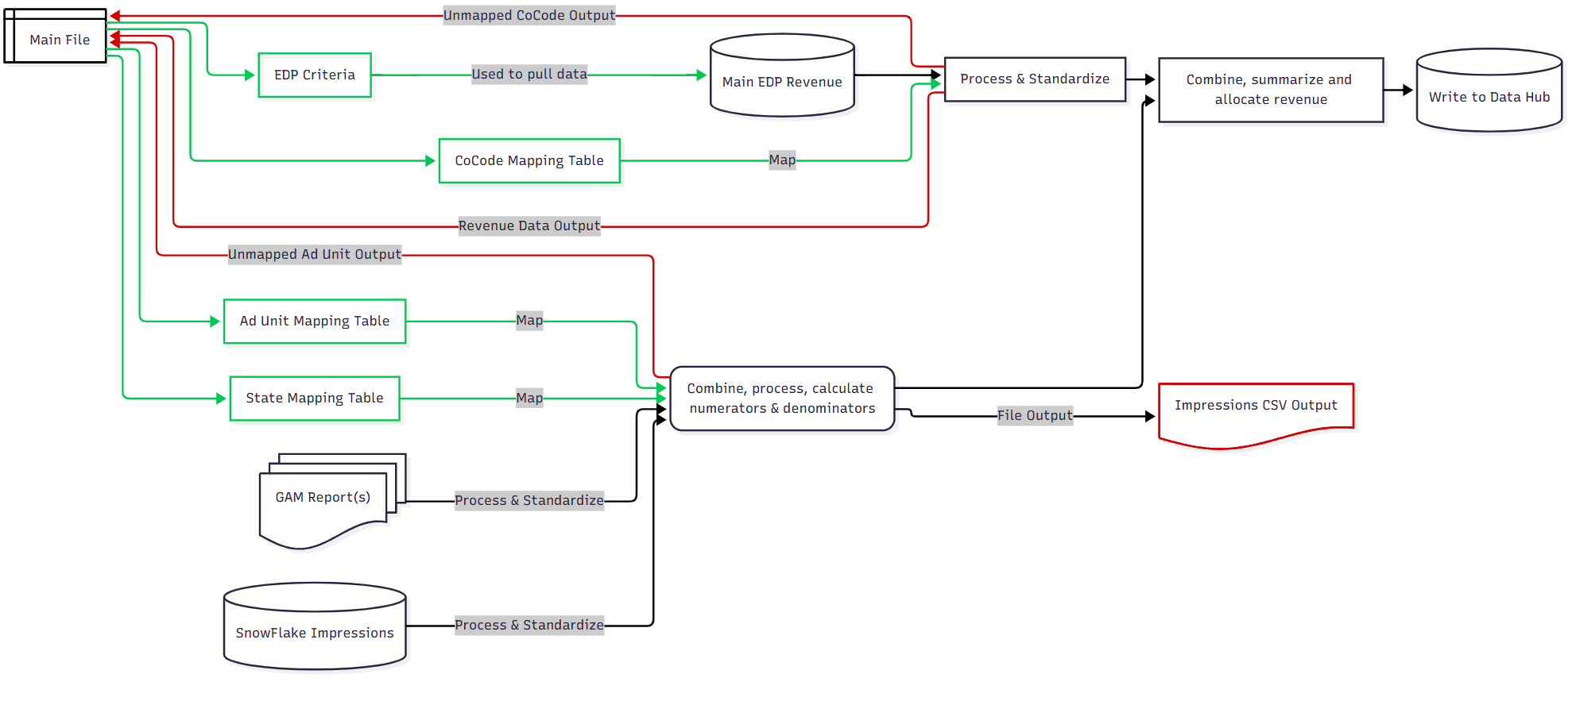 Below is a high level diagram of how the workflow is structured. Note that the "Main File" serves as both a source of input tables, and the destination for output tables. This flowchart was created using Mermaid.js, which is a free JavaScript-based diagramming tool that allows for generating flowcharts using a concise text syntax. A variety of software can render Mermaid diagrams. See mermaid.js.org for further info. The full code for the flowchart is available below this text, hidden behind the image. --- config: layout: elk --- flowchart LR i["Main File"] --> ia["EDP Criteria"] & ib["Ad Unit Mapping Table"] & ic["CoCode Mapping Table"] & id["State Mapping Table"] ia -- Used to pull data --> edp["Main EDP Revenue"] ib -- Map --> cc("Combine, process, calculate numerators & denominators") id -- Map --> cc edp --> bb["Process & Standardize"] ic -- Map --> bb bb -- Revenue Data Output --> i gam["GAM Report(s)"] -- Process & Standardize --> cc sf["SnowFlake Impressions"] -- Process & Standardize --> cc cc --> oa["Impressions CSV Output"] & dd["Combine, summarize and allocate revenue"] cc -- Unmapped Ad Units --> i bb -- Unmapped CoCodes --> i bb --> dd dd --> dh["Write to Data Hub"] i@{ shape: doc} edp@{ shape: database} gam@{ shape: docs} sf@{ shape: database} oa@{ shape: doc} dh@{ shape: database} style ia fill:transparent,stroke:#00C853 style ib stroke:#00C853 style ic stroke:#00C853 style id stroke:#00C853 linkStyle 0 stroke:#00C853,fill:none linkStyle 1 stroke:#00C853,fill:none linkStyle 2 stroke:#00C853,fill:none linkStyle 3 stroke:#00C853,fill:none linkStyle 4 stroke:#00C853,fill:none linkStyle 5 stroke:#00C853,fill:none linkStyle 6 stroke:#00C853,fill:none linkStyle 8 stroke:#00C853,fill:none linkStyle 9 stroke:#D50000,fill:none linkStyle 14 stroke:#D50000,fil

 | Workflow Outputs | The workflow outputs come in 3 forms: 1. Data written back to Main File - This includes data written to the "Revenue Data", "Unmapped Ad Units", and "Unmapped CoCodes" tabs. 2. Impression Data written to CSV - Due to data volume (12m+ records), impression data is written to a large CSV file instead of to Excel. The Main File uses PowerQuery to connect to the CSV and show data in Pivot Tables 3. Data written to Data Hub Collection - This data is used to power the reporting dashboard. See the "Data Hub Schema" tab in this file for details.

Setup Instructions
 | Requirements | The workflow is designed to run data for the full year, using whatever data is available at run time. In order to run properly, the workflow requires a folder with specific files and naming conventions. The folder should be named for the year being processed (IE, "2025"), and must contain: 1. The "Main File", which must be a .xlsx file, with the name ending in "_DST_YYYY" (IE, "Domestic_DST_2025.xlsx"). This file must also contain the expected mapping tables, as described below. 2. A folder containing all available GAM reports for the year. This folder must contain "GAM Report" in the folder name. In this example, the folder is named "RAW GAM Reports".
 | Obtaining the GAM Report(s) | 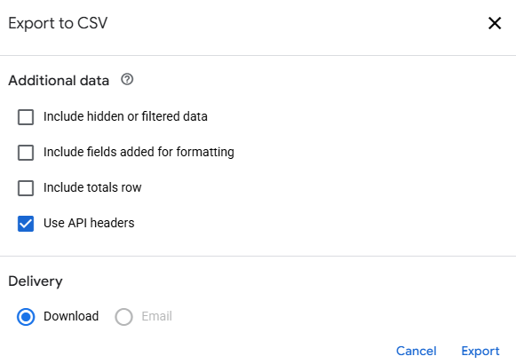 The workflow utilizes GAM reports, which can be obtained from the link below. Report ID 5983442115, found here: https://admanager.google.com/21783347309#reports/interactive/detail/report_id=5983442115 As of 9/25/2025, this report is configured to include Ad Unit, Country, City, Region, Month and year, and Total Impressions. ZIP Codes are not currently included. Due to the size of the reports, it may be necessary to run the report multiple times, adjusting the date range to pull each month of data separately. When exporting, use the "CSV" option, and check the "Use API headers" option, as shown here:
 | Preparing Folder Structure | When preparing to run the workflow for a new year, the first step is to create a new folder for the year on the Shared Drive. The folder should be named the year the data relates to, IE, "2025". An example of the full path, including the folder for a year, is shown below: \\swna.wdpr.disney.com\data\Corp-Tax\Corporate Tax Compliance\Digital Services Tax Database\Data\Domestic\2025
 | Example of Folder | Below is an example of the folder structure for the year. Note the naming convention for the Main File (Domestic_DST_2025.xlsx) and the RAW GAM Reports folder.
 |  | Below is an example of the contents of the RAW GAM Reports folder. The files in this folder do not have a specific naming convention requirement.
 | Running the workflow | 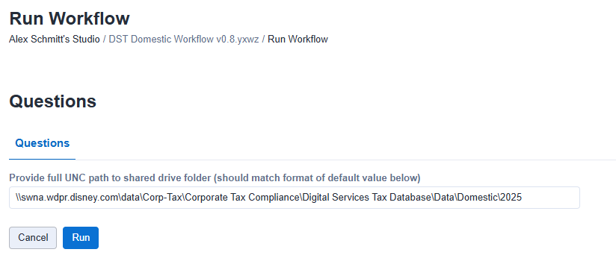 The workflow can be ran as an Alteryx Analytics App in Designer Desktop, or directly on the Alteryx Server. Once the folder structure and files are set up, the only user input required is the full UNC path to where the files are located. A screenshot of this is provided below. The full path used is: \\swna.wdpr.disney.com\data\Corp-Tax\Corporate Tax Compliance\Digital Services Tax Database\Data\Domestic\2025

 | Alteryx Gallery & Data Connections | NOTE: The workflow will be available in the Tax Technology collection on the Alteryx Gallery, and the user running the workflow must have access to this collection. Additionally, it is necessary for the user running the workflow to have access to the "DFS EDP VPR" Gallery connection. This connection should exist on both the QA and Production Alteryx Gallery, so when the workflow is migrated from QA to Production, the same requirement applies. In order to get access to this connection, please submit the EBS Work Intake Form using the URL provided below. EBS Work Intake Form:
 |  | https://disney.service-now.com/nav_to.do?uri=/com.glideapp.servicecatalog_cat_item_view.do%3Fv%3D1%26sysparm_id%3D16e85864dba7b240d077f1431d9619a3%26sysparm_link_parent%3Dbb5ca0632bf93100071b36a3e4da15a2%26sysparm_catalog%3De0d08b13c3330100c8b837659bba8fb4%26sysparm_catalog_view%3Dcatalog_default
 |  | Business Functional Area: Corporate Tax Application: Alteryx Server Assignment Group: app-global-Alteryx Service: Work Request/Support Short Description: Request to Add Users to 'DFS EDP VPR' data connections Description: Please add the below users to 'DFS EDP VPR' data connections in Alteryx QA and Alteryx Prod server: <List of users and their emails>. Note - Approval will be required from the connection owner. At time of this writing, that will be Michael Day. Please include approval with submission if possible.
 | Open Item - SnowFlake Connection | Similar to above, the database connection to SnowFlake is in the process of being created as an Alteryx Gallery Data Connection. The current version of the workflow, as of 9/25/2025, uses Alteryx's DCM feature for this connection while the Gallery Connection is being set up. The DCM version of the connection has limited support for administration functions, so currently, the connection is only available to Alex Schmitt and Erica Henderson, and Erica is not able to add additional users. The Request for adding a Gallery-based connection is REQ9208953, and once the Gallery connection is available, users will need to obtain access and the workflow will need to be updated to use this new Gallery connection. The process for requesting access to this new connection (once created) will be similar to the process above for the EDP connection, just with a different connection name and owner for approvals.

Main File - Mapping Tables, Pivots & Outputs
 | Overview | This section of the documentation provides details about the "Main File", including the mapping tables it contains, and the PowerQuery connection that pulls from the "Impression_Data.csv" output. When setting up a new year, it is recommended to copy this file from a previous year and update as needed, as this file contains preconfigured pivot tables and a PowerQuery connection that automatically links the file to the an "Impressions_Data.csv" file in the same folder where the main file is saved. As mentioned above, this file must be included in the folder for the year, and the file name must end with "_DST_YYYY", where YYYY is the four digit year. Additionally, this file must contain the four mapping tables, which appear in the green tabs in the file, shown in the following screenshot: Notes about the mapping tables and examples of their contents are provided below.
 | Mapping Tables
 | EDP Criteria | 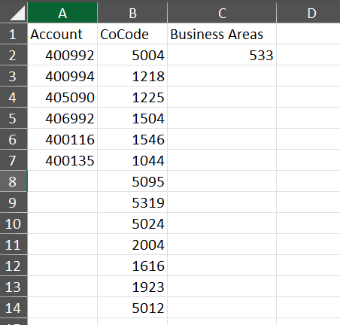 This tab provides the Accounts that are used to retrieve revenue data from EDP/SAP. The table also includes fields for CoCode and Business Areas, but the current version of the workflow (As of 2025-09-26) no longer utilizes these fields, as it was requested that we just pull all available data for the specified accounts.
 | Ad Unit Mapping | This tab provides a mapping from Ad Units provided by the GAM Reports to a simpler Entity classification. This is done for presentational purposes, and to allow joining together revenue and impression data. If any Ad Units appear in GAM reports that are not mapped, they will be captured in the "Unmapped Ad Units" tab in the Main File.
 | Entity Mapping | 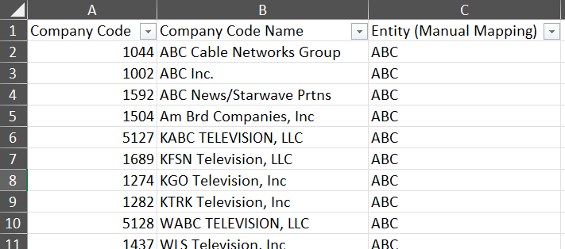 This table functions similarly to the Ad Unit Mapping table above, but instead maps CoCode values from the EDP/SAP revenue data to Entity. Any unmapped CoCodes found in EDP data will be captured in the "Unmapped CoCodes" tab in the Main File.
 | State Mapping | 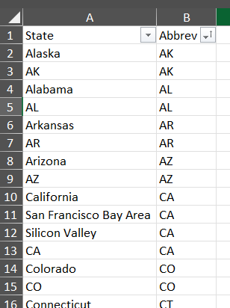 This table is used for basic data cleansing, and for identifying and standardizing the identifiers for US States. Some data sources provide 2 character ISO codes, whereas others provide the full names of the states. This table also does some very basic data cleansing, as shown in the example below, where "Silicon Valley" and "San Francisco Bay Area" are mapped to CA. This was added because these values appeared in some of the data reviewed during the development process.
 | PowerQuery | The Main File includes PowerQuery that connects to the Impressions_Data.csv file. To do this, the Main File includes a hidden tab named FilePath, which has a named cell ("var_FilePath") that contains a formula to determine the location where the Main File is saved. This is shown below: PowerQuery reads the path from this named cell, adds "Impression_Data.csv" to the end of it, and attempts to connect to the CSV file at that path. No other transformations occur in the PowerQuery besides connecting to the data, promoting headers, and setting data types on certain fields. The data from this Query is added to Excel's Data Model, which allows it to be viewed via pivot tables. The data is not loaded to a table, as is often done with PowerQuery connections, due to the extreme size of the data in the CSV.
 | Pivot Tables | 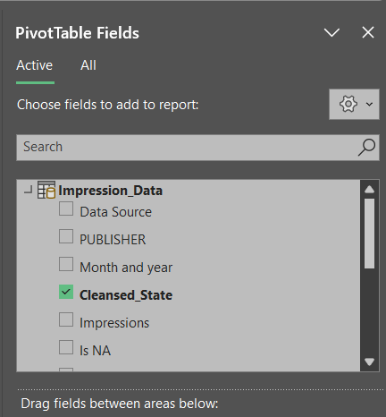 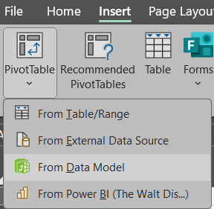 The Main File contains several pre-configured pivot tables which present data from the Data Model, which is populated by the PowerQuery connection described above. These can be seen on the blue tabs, which are shown in the screenshot below. If it's ever necessary to add additional pivots that present data from the Data Model, that can be done by going to Insert --> PivotTable --> From Data Model. Once you create the new pivot, the Impression_Data data source will appear, and the fields from the connected CSV will be available.
 | Outputs | Lastly, the Alteryx Workflow writes data to three tabs in the Main file. These tabs are at the end of the file, after the placeholder tab, and are uncolored in Excel, as seen here: The workflow is configured to overwrite these tabs, even in the event that there are no unmapped items, in order to clear out any data from previous runs without requiring manual deletion.

Data Sources
 | Data Sources | Source Details | Processing Steps
 | 1. EDP Revenue | EDP - SQL Query The workflow uses an Alteryx Macro to pull data from EDP. The Criteria for this pull comes from the "EPD Criteria" tab in the main file. The EDP Query pulls all data for the specified Accounts, regardless of the Company Code or Business Area. Earlier versions of this workflow included logic to pull all data for specified company codes, and for all company codes with specified business areas, but it was later requested that all data for the requested Accounts be included. Accounts: 400992, 400994, 405090, 406992, 400116, 400135 Other criteria, no longer used: CoCodes: 5004, 1218, 1225, 1504, 1546, 1044, 5095, 5319, 5024, 2004, 1616, 1923, 5012 Business Area: 533 | 1. An "Updated Company Code" column is added to the data, which treats all data with Business Area 533 as CoCode 1002. For any BAs besides 533, the existing company code is kept. 2. A mapping of Company Codes to Entities is performed, and unmapped CoCodes are flagged for diagnostic reporting. The data used for this mapping comes from the "CoCode Mapping" tab in the main file. 3. The Month and Year fields from EDP are parsed, offset by 3 months to align fiscal periods with calendar periods, and then then formatted to be consistent with GAM and SnowFlake period formatting. 4. The data is written to the "Revenue Data" tab in the Main File. 5. Revenue amounts are also summarized to the Month and Year, and Entity level for purposes of the allocation. This summarized data is then joined with the Impression Data on Month and Year and Entity. 6. After joining, the Amount in Group Curr. is multiplied by the percentages to calculate the "Apportioned Amount with NA" and "Apportioned Amount without NA" fields. This data is then loaded to the Data Hub collection.

 | 2. GAM Impressions | This data is obtained from a Google Ad Manager Report, linked below: https://admanager.google.com/21783347309#reports/interactive/detail/report_id=5983442115 The reports are loaded to a folder as CSV files, and the workflow reads all CSVs from the folder for processing. NOTE: The folder name must contain "GAM Report". The files have no strict naming convention requirement. It is recommended to pull months as separate reports, as Google Ad Manager runs very slowly if you include too much data in a report. | 1. The workflow opens and combines all of the files via macro. 2. A State lookup is performed utilizing the State Mapping table from the Main File. 3. "N/A" records are flagged via formula. formula. These are jurisdictions that have been determined to be excludable from denominators in some jurisdictions by the indirect tax team. If the "Region" field from GAM is null, or equals "N/A" or "NO REGION", then the record is considered to be N/A. 4. Data is summarized and unioned with the SnowFlake Impressions data 5. After the union, the Entity field is added by joining to the "Ad Unit Mapping" table from the Main File. 6. The "PUBLISHER" column is updated to fill in the publisher with the Entity for records where it is blank. This only impacts GAM, since only SnowFlake provides a publisher field. 7. Two separate denominators are calculated by summarize tools, one including records considered N/A, and one excluding N/A records. These denominators are then joined back to the main table. 8. The data is written to the "Impressions_Data.csv" file. This file is separate from the other outputs due to size (12m+ records).

 | 3. SnowFlake Impressions | The SnowFlake data comes from a database query, which takes place in Dynamic Input tool ID #39. The query requires a Start Date and End Date parameter, which the workflow generates automatically based on the year in the Main File's file name. (IE, "Domestic_DST_2025.xlsx" is parsed to 2025, and then to a Start Date of 2025-01-01 and End Date of 2025-12-31.) As noted on the "Expected Updates & Maintenance" tab, this query will require updates in the future once intake requests are processed, since additional fields will be made available. | After the initial pull, several data transformation steps are performed: 1. Data is summarized to reduce record count 2. A State Lookup is performed utilizing the State Mapping table from the Main File. 3. The "Cleansed_State" column is generated. This column combines the SnowFlake STATE field with the results of the State Lookup, and also flags US embassies, which appear in SnowFlake as numerical values. (Formula Tool #51) 3. A Data Source column is added, and the date format is standardized to align with EDP and GAM. (Formula Tool #51) 4. "N/A" records are flagged via formula. These are jurisdictions that have been determined to be excludable from denominators in some jurisdictions by the indirect tax team. For SnowFlake data with PUBLISHER of "HULU", any non-US value in the STATE field is considered to be "N/A". Non-US states are identified by the State Lookup process above, as the mapping table only contains values for US states. For the remaining SnowFlake data (where PUBLISHER is "ESPN" or "DISNEY_PLUS"), records are considered "N/A" if the [STATE] field from SnowFlake is blank or null, or if STATE is "NO REGION". In simpler terms, HULU considers non-US data to be N/A, whereas ESPN and DISNEY_PLUS does not. (Formula Tool #51) 5. Data is summarized again after mapping and processing, then unioned with GAM data. The SnowFlake data then goes through the same steps described above for GAM in steps 4 through 8.

